Settings
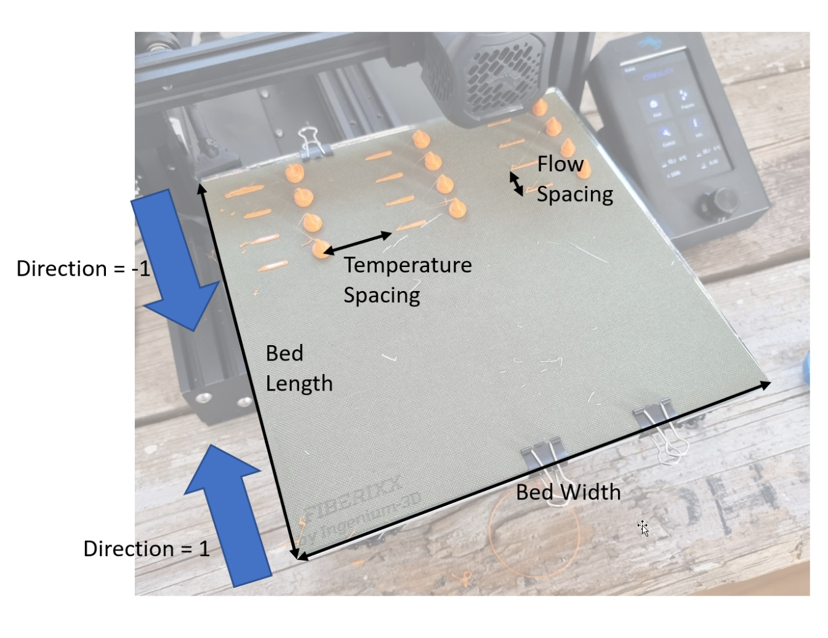
General Settings |  |  | Created by CNC Kitchen
Bed Width | 250 | mm
Bed Length | 250 | mm
Bed Margin | 5 | mm
Filament Diameter | 1.75 | mm
Travel Speed | 100 | mm/s
Stabilization Time | 20 | s
Bed Temperature | 60 | °C
Fan Speed | 0 | %

Prime Length | 25 | mm
Prime Amount | 20 | mm | Prime Flow
Prime Speed | 5 | mm/s | 10 | mm³/s
Wipe Length | 15 | mm
Retraction Distance | 8 | mm
Retraction Speed | 60 | mm/s

Blob Height | 10 | mm
Extrusion Amount | 200 | mm

Direction | 1 | 1=front to back, -1=back to front
Temperature Spacing | 40 | mm
Flow Spacing | 30 | mm

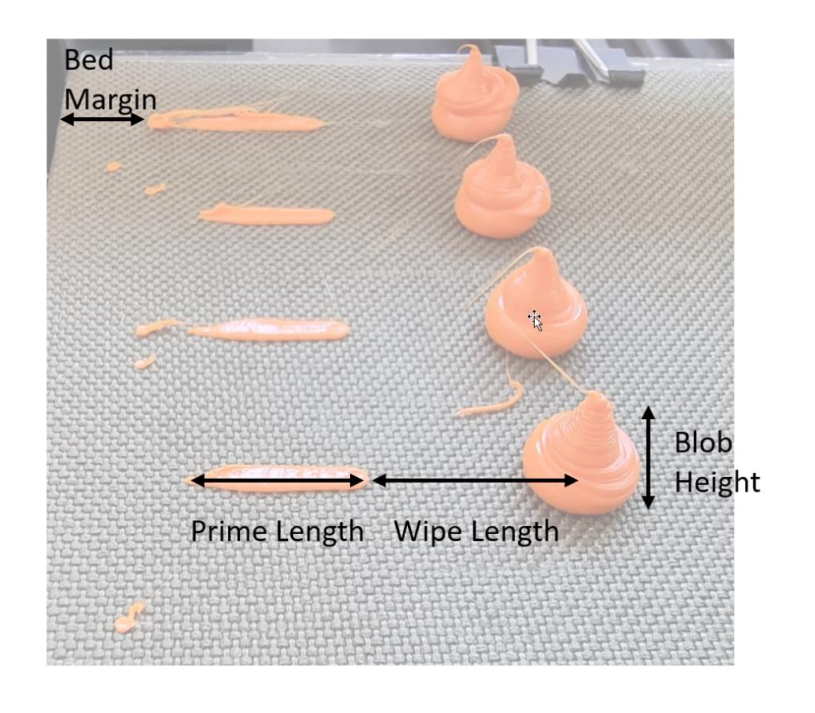
DOE Settings
Flow Variation
Start Flow | 2 | mm³/s
Offset | 2 | mm³/s
Steps | 8
End Flow | 16 | mm³/s

Temperature Variation
Start Temperature | 220 | °C
Offset | 10 | K
Steps | 3 |  | If Steps = 1 "Fill Mode" is used
End Flow | 200 | °C

Comment | Ender-7

total bed width required | 210 | OK
total bed length required | 250 | OK

SampleEvaluation
 |  | Test 1
 | Printer | Ender-7 Pro
 | Material | Filament PLA
 | Temperature / °C | 220 | 210 | 200
 | Flow rate / mm³/s | weights / g
Input | 2 | 0.587 | 0.562 | 0.580
 | 4 | 0.578 | 0.569 | 0.574
 | 6 | 0.578 | 0.566 | 0.566
 | 8 | 0.580 | 0.568 | 0.553
 | 10 | 0.569 | 0.566 | 0.557
 | 12 | 0.580 | 0.557 | 0.541
 | 14 | 0.564 | 0.554 | 0.533
 | 16 | 0.546 | 0.542 | 0.516

Underextrusion Amount | 2 | 0% | 0% | 0%
 | 4 | -2% | 1% | -1%
 | 6 | -2% | 1% | -2%
 | 8 | -1% | 1% | -5%
 | 10 | -3% | 1% | -4%
 | 12 | -1% | -1% | -7%
 | 14 | -4% | -1% | -8%
 | 16 | -7% | -4% | -11%

Real Flow | 2 | 2.0 | 2.0 | 2.0
 | 4 | 3.9 | 4.0 | 4.0
 | 6 | 5.9 | 6.0 | 5.9
 | 8 | 7.9 | 8.1 | 7.6
 | 10 | 9.7 | 10.1 | 9.6
 | 12 | 11.9 | 11.9 | 11.2
 | 14 | 13.5 | 13.8 | 12.9
 | 16 | 14.9 | 15.4 | 14.2

Real Flow
Ender-7 - Extrusion Test

Evaluation
Real Flow
Under Extrusion
 |  | 2023-07-05
 | Printer | Ender-7
 | Nozzle | 0.4 creality ender 7 nozzle
 | Material | Aurarum PLA
 | Temperature | 220 | 210 | 200
 | Flow rate (mm^3/s) | rates / g
Input (mm^3/s) | 2 | 0.587 | 0.562 | 0.58
 | 4 | 0.578 | 0.569 | 0.574
 | 6 | 0.578 | 0.566 | 0.566
 | 8 | 0.58 | 0.568 | 0.553
 | 10 | 0.569 | 0.566 | 0.557
 | 12 | 0.58 | 0.557 | 0.541
 | 14 | 0.564 | 0.554 | 0.533
 | 16 | 0.546 | 0.542 | 0.516

Under Extrusion Amount (%) | 2 | 0% | 0% | 0%
 | 4 | -2% | 1% | -1%
 | 6 | -2% | 1% | -2%
 | 8 | -1% | 1% | -5%
 | 10 | -3% | 1% | -4%
 | 12 | -1% | -1% | -7%
 | 14 | -4% | -1% | -8%
 | 16 | -7% | -4% | -11%

Real Flow (mm^3/s) | 2 | 2 | 2 | 2
 | 4 | 3.9386712095 | 4.0498220641 | 3.9586206897
 | 6 | 5.9080068143 | 6.0427046263 | 5.8551724138
 | 8 | 7.9045996593 | 8.0854092527 | 7.6275862069
 | 10 | 9.6933560477 | 10.071174377 | 9.6034482759
 | 12 | 11.856899489 | 11.893238434 | 11.193103448
 | 14 | 13.451448041 | 13.800711744 | 12.865517241
 | 16 | 14.882453152 | 15.430604982 | 14.234482759

 | Ender-7 print speed calculations
 |  |  |  |  | Variables
 | Nozzle width |  |  |  | 0.4 | mm | Filament cross section | 2.4052818754 | mm^2
 | Layer Height |  |  |  | 0.2 | mm | filament_cross_section(mm^2) = PI() * (<filament_diameter(mm)>/2)^2
 | Line width (1.2*[nozzle]) |  |  |  | 0.48 | mm
 | Filament diameter |  |  |  | 1.75 | mm | Calculate test gcode blob lift speed | 17.461570899 | mm/min | 0.29102618165 | mm/s
 |  |  |  |  |  |  | extrusion_speed(mm/min) = <blob_height(mm)> / (<extrusion_amount(mm)> / (<start_flow(mm^3/s)> / <filament_cross_section(mm^2)> *60))
 | Extruder temperature |  |  |  | 220 | C
 | Maximum extrusion volume (mm^3/s) |  |  |  | 14 | mm^3/s | Maximum printing speed | 145.83333333 | mm/s
 | Filament extruded |  |  |  | 200 | mm | speed(mm/s) = <volumetric_flow(mm^3/s)> / <layer_height(mm)> / <line_width(mm)>
 | Blob height |  |  |  | 10 | mm
 | Blob weight |  |  |  | 0.58 | g | Maximum volumetric flow rate (confirm) | 14 | mm^3/s
 |  |  |  |  |  |  | volumetric_flow(mm^3/s) = <speed(mm/s)> * <layer_height(mm)> * <line_width(mm)>

 |  |  |  |  |  |  | Maximum Extruder Feedrate | 5.8205236331 | mm/s
 |  |  |  |  |  |  | max feedrate(mm/s) = <maximum volumetric flow(mm^3/s)> / <filament cross section(mm^2)>

 |  |  |  |  |  |  | gcode feedrate | 349.23141798 | mm/min
 |  |  |  |  |  |  | gcode feedrate mm/min = <extruder feedrate(mm/s)> * 60

